CCRF - Round 2
 |  |  |  | Campaign Change Request Form (CCRF)
 |  |  |  | Campaign Name | Samsung GS7 Upgrade EM 201604
 |  |  |  | Client Contact | Bonnie Warner / Pam White
 |  |  |  | Agency Contact | Matt Helbig

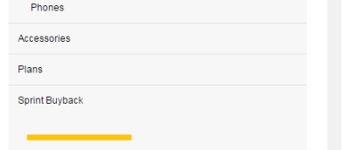
Round 3 CCRF Tab - TeamSprint: Please document changes in the form below for Round 3 tests. |  |  |  |  |  |  |  |  | Acxiom Responsibility
Change Number | Date | Change Submitted By (Person and Organization) | Version | HTML/Plain Text | Cell ID (Located at bottom of each email) | Specific Change | Agency Comments | If the Change is to an Image, Link, or Matrix: | Acxiom Confirms Change was Made | Acxiom Feedback / Comments
1 | 2016-04-11 | Matt Helbig | Samsung GS7 $200 Credit Upgrade EM 201604 |  | 2309514 | Extra spacing in mobile navigation
2 | 2016-04-11 | Matt Helbig | Samsung GS7 $200 Credit Upgrade EM 201604 |  | 2309514 | Adjust Greeter/snippet spacing. Too close to the top of the grey bar on both mobile and desktop.
3 | 2016-04-11 | Matt Helbig | Samsung GS7 $200 Credit Upgrade EM 201604 |  | 2309514 | Greeter/snippet remove blank link.
4 | 2016-04-11 | Matt Helbig | Samsung GS7 $200 Credit Upgrade EM 201604 |  | 2309514
5
6
7
8
9
10
11
12
13
14
15

